dashboard
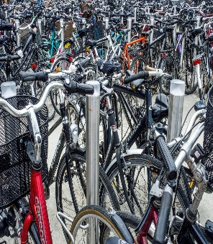
BIKESALES ANALYSIS & INSIGHTS DASHBOARD

Purchases based on Maritial Status
 | Total
Married | 538
Single | 462
Bike Purchases based on Gender
 | Total
Female | 489
Male | 511

Bike Purchases based on Education Levels
 | Total
Bachelors | 306
Graduate Degree | 174
High School | 179
Partial College | 265
Partial High School | 76
Purchased Bikes by Occupation
 | Total
Clerical | 177
Management | 173
Manual | 119
Professional | 276
Skilled Manual | 255

Purchased Bikes based on Commute Distance
 | Total
0-1 Miles | 366
1-2 Miles | 169
2-5 Miles | 162
5-10 Miles | 192
More than 10 miles | 111
Bike Purchases based on Region
 | Total
Europe | 300
North America | 508
Pacific | 192

Purchased Bikes based on Age Brackets
 | Total
Adolescent | 110
Middle Age | 701
Old | 189

